TEDB Edition 40
In 2017, 6% of walk trips and 20% of bike trips were to/from work. Thirty-one percent of all bike trips were for social/recreational purposes. Fourteen percent of walk trips were shopping trips.

Figure 9.9. Walk and Bike Trips by Trip Purpose, 2017 NHTS
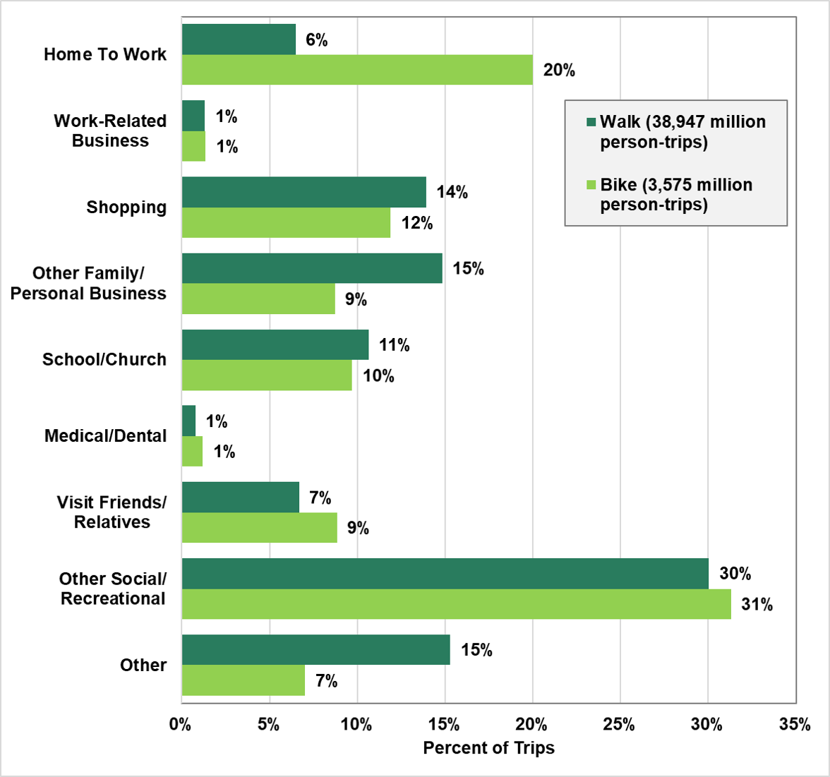

 | Percent
 | Walk | Bike
 | (38,947 million person-trips) | (3,575 million person-trips)

Work | 6% | 20%
Work-related | 1% | 1%
Shopping | 14% | 12%
Other Family & Personal Business | 15% | 9%
School & Church | 11% | 10%
Visit Friends & Relatives | 1% | 1%
Other Social & Recreational | 7% | 9%
Other Purpose | 30% | 31%
Total Trips | 15% | 7%

Note: Percentages may not sum to totals due to rounding.

Source:
Generated from the 2017 National Household Travel Survey
website nhts.ornl.gov.

